Calculations
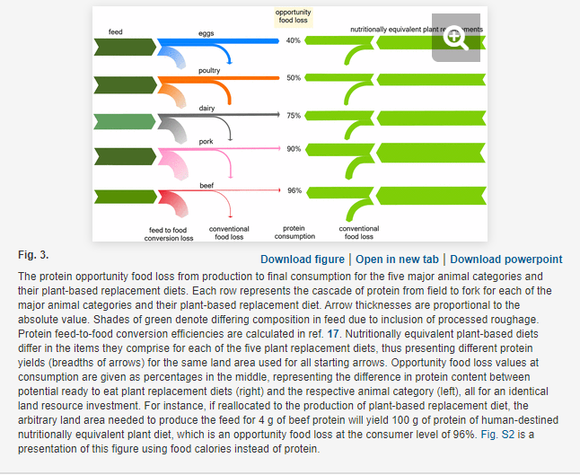
Product | Opportunity food loss (%) | Calculated ratio of plant-based protein output to animal protein output per land area | Pounds of animal products produced | Weighted average ratio
Eggs | 40 | 1.7 | 1117750000 | 5.1756873961
Poultry | 50 | 2 | 701949114
Dairy | 75 | 4 | 5,397,908,731
Pork | 90 | 10 | 561305000
Beef | 96 | 25 | 493824000

